Home
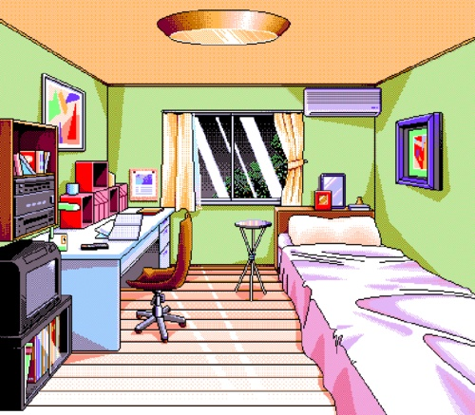

Weather
 | Location: | Boston

2017-11-02 | 2017-11-03 | 2017-11-04 | 2017-11-05 | 2017-11-06
light rain | light rain | few clouds | light rain | light rain
62.06°F | 62.28°F | 50.23°F | 56.25°F | 66.65°F

Weather Name | Pictures
rain | 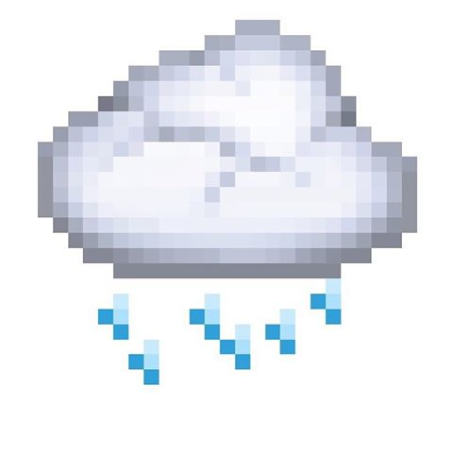
clear | 
breeze | 
snow | 
cloud
other

